Sheet1
HYDRATE FORMATION ESTIMATION USING APPROXIMATE METHOD
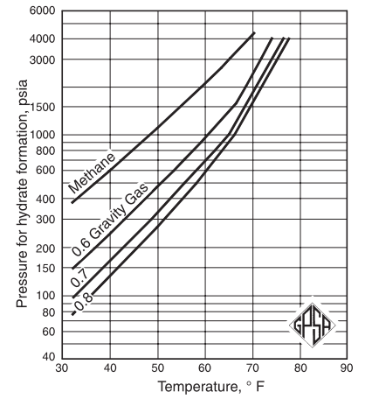
Component | Mole fraction in gas | Molecular weight | lb per lb-mol of mixture
Methane | 0.784 | 16.043 | 12.58
Ethane | 0.06 | 30.07 | 1.80
Propane | 0.036 | 44.097 | 1.59
Isobutane | 0.005 | 58.124 | 0.29
n-butane | 0.019 | 58.124 | 1.10
Nitrogen | 0.094 | 28.013 | 2.63
Carbon dioxide | 0.002 | 44.01 | 0.09
Total | 1 |  | 20.09

Molecular weight of gas mixture |  | 20.09
Molecular weight of air |  | 28.96
Specific gravity of gas |  | 0.69

Operating temperature |  | 50 | F
Pressure for hydrate formation |  | 320 | psia | (from graph)

